Order form
UNIVERSITY OF READING |  | Please use separate form if you are from Henley Business School.
Business card order form

Please note: | We will charge all the cards to a single set of payment codes and deliver them to a single address
 | Multiple designs can be ordered by copying 'Card (1)' tab below (see screenshots on Card (1) tab)
 | Minimum order is 100 cards (one box)
 | Our usual turnaround time is 3-5 working days
 | Cards split between different codes: Please send us separate emails with amended versions of this form so that we can log as individual jobs

 | Please send this form to cps@reading.ac.uk once complete (File > Share > Email)

Payment information | All fields marked with * need to be completed.

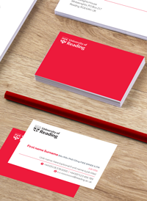
Account number*
 |  |  | Estimate calculator |  | Please note: If you require different numbers of cards per person, this tool will not work. Please speak to a member of the team.
Project code* |  |  | Number of different cards required* | #N/A
 |  |  | Amount of cards per person
Cost centre*
 |  |  | *1 person = 1 card

Delivery information | All fields marked with * need to be completed.

Delivery deadline

Email to send proof to*

Person to deliver to*

Delivery address*
Campus* | *Please choose*

Card (1)
UNIVERSITY OF READING |  | Please use separate form if you are from Henley Business School.
Business card order form

Business card details | All fields marked with * need to be completed.

Name (including title)*
 |  |  | Estimate calculator
Qualifications |  |  | Cost | £- | Based on one name only.
 |  |  |  |  | If you have multiple names please complete Estimate calculator on first tab.
Job title(s)*

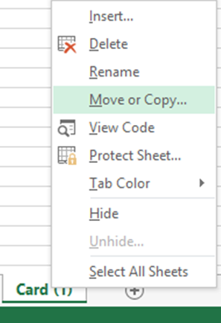
Unit name or department*
 |  |  | Duplicate this page if you need more than one card (see screenshots)
Telephone*

Mobile phone

Email address*

Website* | www.reading.ac.uk

Postal address

Social networks

Additional information |  | e.g. PA info

Quantity* | *Please choose*

 | Please complete the order form tab before submitting.

